Sample upstream
40% | Of the total sample |  |  | 60% | Of the total sample |  | 50%

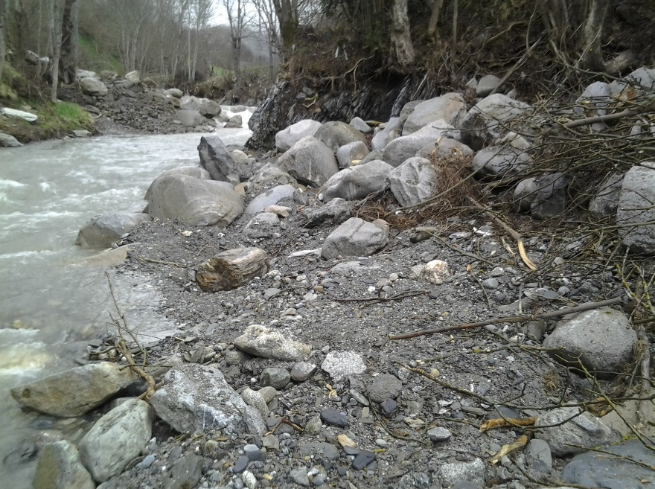
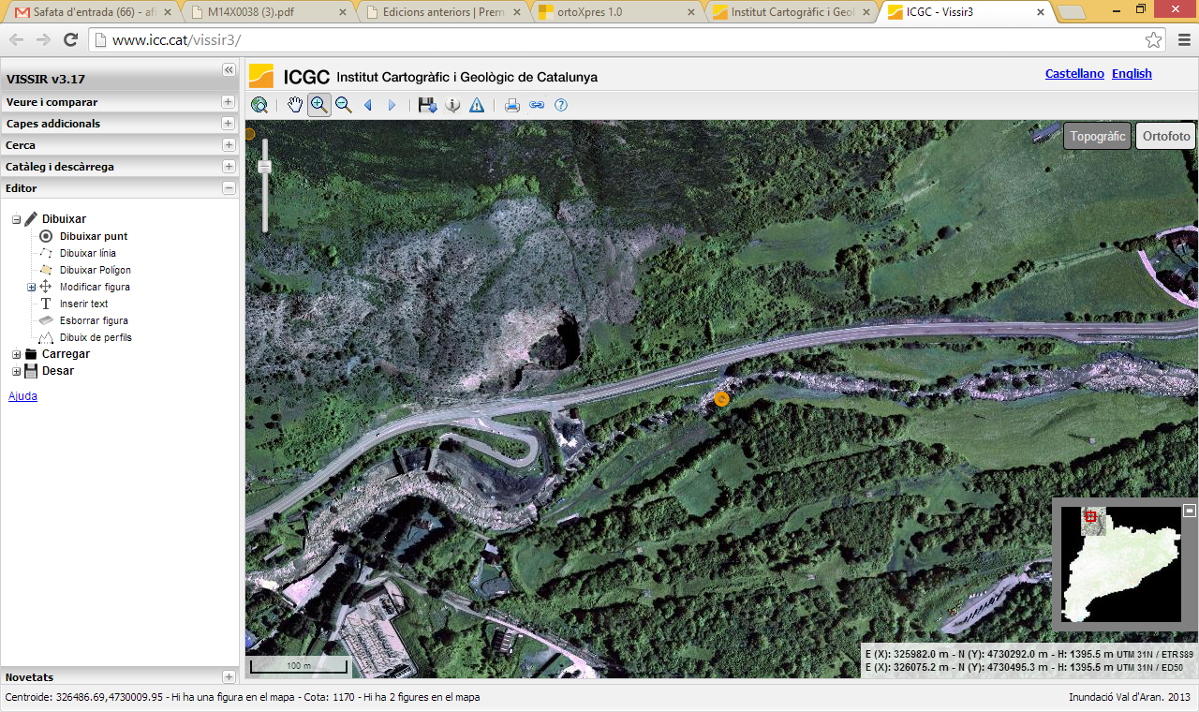
Fraction finner at laboratoy |  |  |  |  | Field

Sieve UNE (mm) | Ff (%) | 1-Ff (%) | Weight (g) |  | D (mm) | weight (g)
125 | 100 |  |  | Directly from the Bulldozer | 380 | 76,136.92
100 | 91.11 | 8.89 | 7,351.50 |  | 210 | 12,849.98
80 | 88.18 | 11.82 | 2,422.50 |  | 180 | 8,092.11
63 | 86.07 | 13.93 | 1,741.00 |  | 100 | 1,387.54
50 | 79.03 | 20.97 | 5,821.50 |  | 150 | 4,682.94
40 | 73.43 | 26.57 | 4,630.00 |  | 150 | 4,682.94
25 | 62 | 38 | 9,445.00 |  | 200 | 11,100.29
20 | 56.53 | 43.47 | 4,520.00 |  | 180 | 8,092.11
10 | 40.98 | 59.02 | 12,857.00 | Measured in the field | 670 | 417,319.72
5 | 29.33 | 70.67 | 9,624.50 |  | 600 | 299,707.94
2 | 28.12 | 71.88 | 1,000.00 |  | 650 | 381,052.28
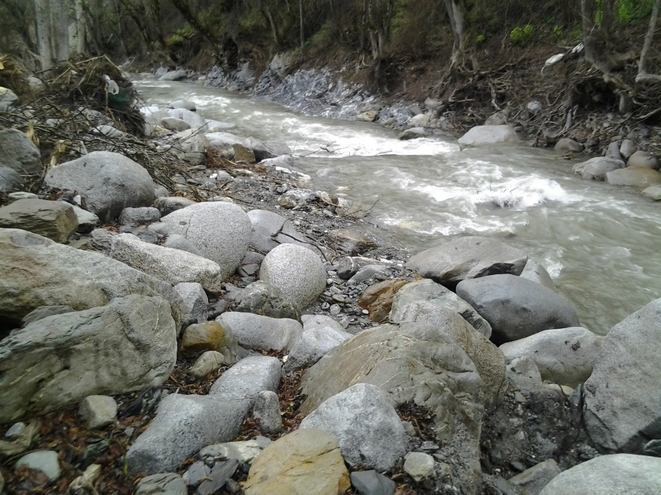
0.4 | 5.12 | 94.88 | 18,776.60 |  | 650 | 381,052.28
0.08 | 1.55 | 98.45 | 2,942.00 |  | 900 | 1,011,514.29
 |  |  |  |  | 450 | 126,439.29
 |  | TOTAL | 81,131.60 |  | 400 | 88,802.35
 |  |  |  |  | 650 | 381,052.28
 |  |  |  |  | 750 | 585,367.07
 |  |  |  |  | 700 | 475,925.11
 |  |  |  |  | 280 | 30,459.21
 |  |  |  |  | 190 | 9,517.11
 |  |  |  |  | 250 | 21,680.26
 |  |  |  |  | 250 | 21,680.26
 |  |  |  |  | 350 | 59,490.64
 |  |  |  |  | 200 | 11,100.29
 |  |  |  |  | 230 | 16,882.16
 |  |  |  |  | 160 | 5,683.35
 |  |  |  |  | 180 | 8,092.11
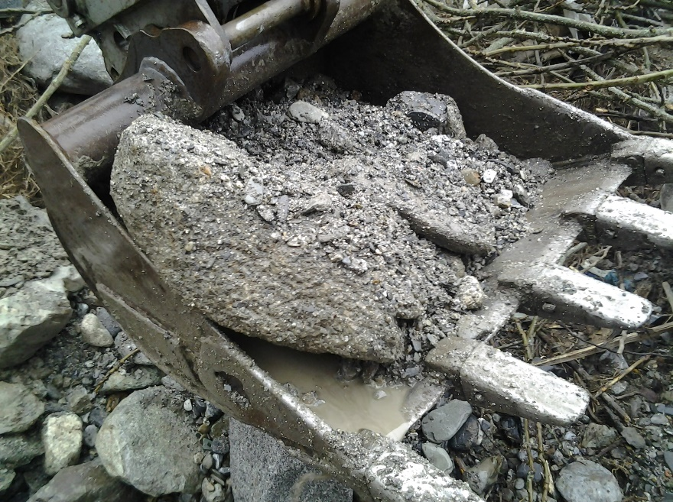
 |  |  |  |  | 320 | 45,466.80
 |  |  |  |  | 250 | 21,680.26
 |  |  |  |  | 630 | 346,949.40
 |  |  |  |  | 400 | 88,802.35
 |  |  |  |  | 850 | 852,121.01
 |  |  |  |  | 290 | 33,840.63
 |  |  |  |  | 450 | 126,439.29
 |  |  |  |  | 380 | 76,136.92
 |  |  |  |  | 420 | 102,799.82
 |  |  |  |  | 140 | 3,807.40
 |  |  |  |  | 580 | 270,725.07
 |  |  |  |  | 180 | 8,092.11
 |  |  |  |  | 200 | 11,100.29
 |  |  |  |  | 290 | 33,840.63
 |  |  |  |  | 180 | 8,092.11
 |  |  |  |  | 240 | 19,181.31
 |  |  |  |  | 300 | 37,463.49
 |  |  |  |  | 190 | 9,517.11
 |  |  |  |  | 800 | 710,418.82
 |  |  |  |  | 350 | 59,490.64
 |  |  |  |  | 320 | 45,466.80
 |  |  |  |  | 950 | 1,189,639.33
 |  |  |  |  | 500 | 173,442.09
 |  |  |  |  | 200 | 11,100.29
 |  |  |  |  | 900 | 1,011,514.29
 |  |  |  |  | 350 | 59,490.64
 |  |  |  |  | 180 | 8,092.11
 |  |  |  |  | 150 | 4,682.94
 |  |  |  |  | 180 | 8,092.11
 |  |  |  |  | 200 | 11,100.29
 |  |  |  |  | 200 | 11,100.29
 |  |  |  |  | 180 | 8,092.11
 |  |  |  |  | 190 | 9,517.11
 |  |  |  |  | 170 | 6,816.97
 |  |  |  |  | 240 | 19,181.31
 |  |  |  |  | 500 | 173,442.09
 |  |  |  |  | 160 | 5,683.35
 |  |  |  |  | 180 | 8,092.11
 |  |  |  |  | 700 | 475,925.11
 |  |  |  |  | 300 | 37,463.49
 |  |  |  |  | 350 | 59,490.64
 |  |  |  |  | 700 | 475,925.11
 |  |  |  |  | 400 | 88,802.35
 |  |  |  |  | 450 | 126,439.29
 |  |  |  |  | 250 | 21,680.26
 |  |  |  |  | 150 | 4,682.94

 |  |  |  |  | TOTAL | 11,380,763.78

Sample downstream
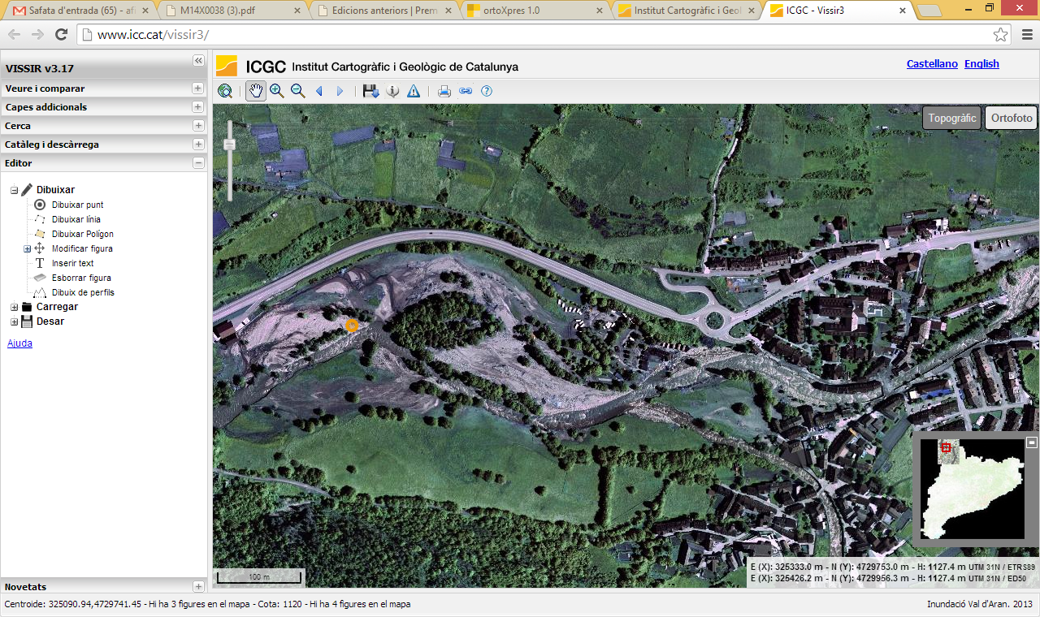
90% | Of the total sample |  |  | 10% | Of the total sample

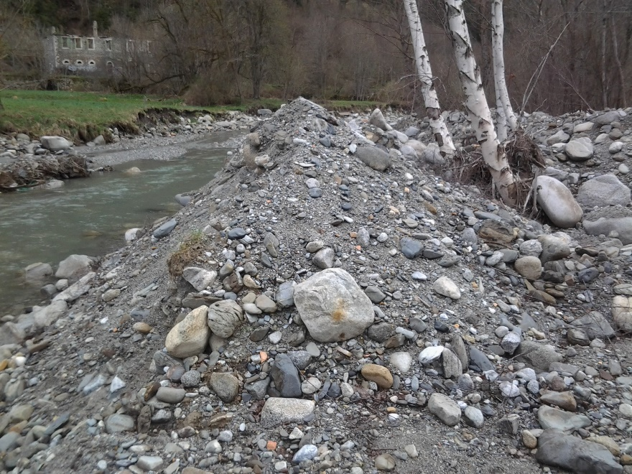
Fraction finner at laboratoy |  |  |  |  | Field

Sieve UNE (mm) | Ff (%) | 1-Ff (%) | Weight (g) |  | D (mm) | weight (g)
125 | 100 |  |  | Directly from the Bulldozer | 280 | 30,459.21
100 | 94.09 | 5.91 | 4,864.00 |  | 130 | 3,048.42
80 | 91.83 | 8.17 | 1,862.00 |  | 125 | 2,710.03
63 | 87.46 | 12.54 | 3,600.50 |  | 150 | 4,682.94
50 | 84.32 | 15.68 | 2,586.50 |  | 120 | 2,397.66
40 | 78.55 | 21.45 | 4,746.50 |  | 150 | 4,682.94
25 | 67.84 | 32.16 | 8,815.00 | Measured in the field | 700 | 475,925.11
20 | 64.7 | 35.3 | 2,584.50 |  | 180 | 8,092.11
10 | 52.71 | 47.29 | 9,872.50 |  | 220 | 14,774.49
5 | 42.72 | 57.28 | 8,228.00 |  | 260 | 24,387.35
2 | 27.27 | 72.73 | 12,716.00 |  | 130 | 3,048.42
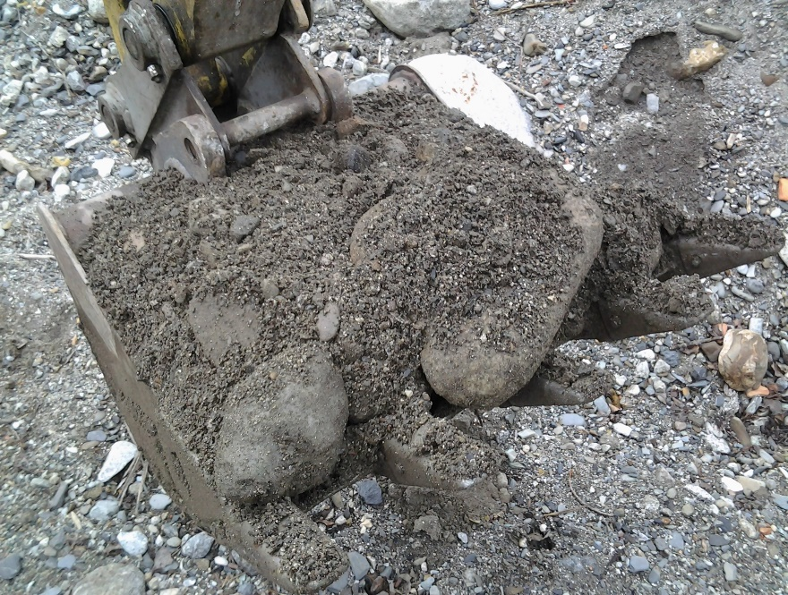
0.4 | 6.04 | 93.96 | 17,387.50 |  | 330 | 49,863.91
0.08 | 1.77 | 98.23 | 3,497.20 |  | 200 | 11,100.29
 |  |  |  |  | 160 | 5,683.35
 |  | TOTAL | 80,760.20 |  | 400 | 88,802.35
 |  |  |  |  | 450 | 126,439.29
 |  |  |  |  | 150 | 4,682.94
 |  |  |  |  | 130 | 3,048.42
 |  |  |  |  | 230 | 16,882.16
 |  |  |  |  | 270 | 27,310.89
 |  |  |  |  | 180 | 8,092.11
 |  |  |  |  | 160 | 5,683.35
 |  |  |  |  | 170 | 6,816.97
 |  |  |  |  | 150 | 4,682.94
 |  |  |  |  | 160 | 5,683.35

 |  |  |  |  | TOTAL | 938,980.98

